Assumption
Company Description | THANGAMAYIL JEWELLERY LIMITED
ISIN Code | INE085J01014
Sector Name | CONSUMER DURABLES
Industry | Gems, Jewellery and Watches
Exchange Name | BSE: 533158, NSE: THANGAMAYL
Website | www.thangamayil.com
Company Description | 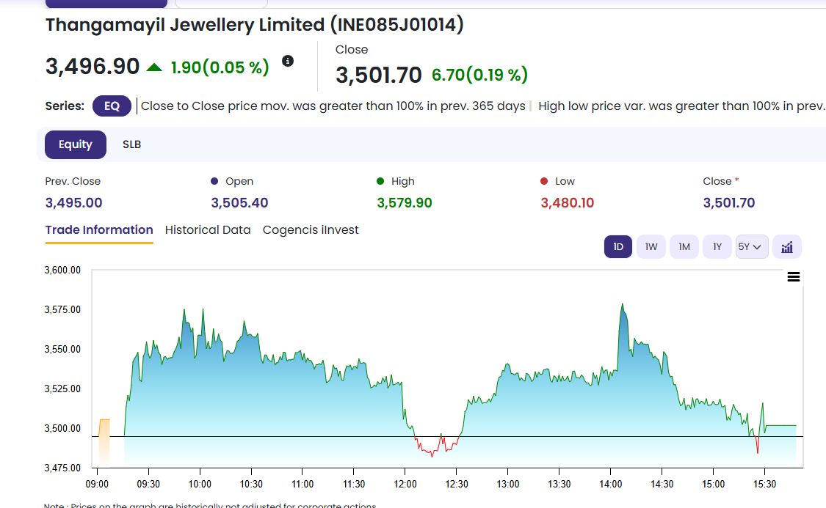 Thangamayil Jewellery Limited (TMJL) is a leading jewellery retailer in South India, positioning itself as a "one-stop shop" for gold, diamond, and silver ornaments. The company serves customers through both physical showrooms and its online platform, offering over 7,000 unique designs. Their product mix ranges from traditional wedding jewellery to bespoke, high-margin diamond and platinum collections. A key differentiator is their early adoption of 100% BIS 916 Hallmarked gold and the use of scientific, tamper-proof quality testing machinery, which pioneered a "quality revolution" in their home market of Madurai.
Current Market Price | ₹ 3,497

Model | The stock is priced for perpetual hyper-growth and offers zero margin of safety. The model assumes structurally capped margins and escalating CapEx/Depreciation to fund South Indian store expansions. Any top-line normalization will trigger violent multiple compression.

 | Base Case (Implied Value: ~INR 800 - 1,000 | Downside: ~75%) Assumption: Revenue growth fades from 20% to a 4% terminal rate; margins remain flat. Impact: Severe de-rating. As growth cools to industry averages, the market will aggressively compress the 55x multiple to match peers, driving a sharp correction toward intrinsic value.

 | Bull Case (Implied Value: Mild Premium to Base | Downside: Significant) Assumption: Flawless execution with peak 25% near-term growth and an elevated 4.5% terminal rate. Impact: Even under mathematically perfect conditions, the DCF cannot bridge the gap to the current market price. The stock is already priced beyond perfection.

 | Bear Case (Implied Value: Sub-INR 700 | Downside: Catastrophic) Assumption: Growth stunts early (12%) due to macro headwinds or competitor cannibalization. Impact: Slower revenue fails to absorb the heavy fixed CapEx of the new store rollout. The fixed-cost drag crushes already-thin margins, prompting a brutal sell-off.

Scenario | Base Case Revenue Growth (FY26: 20% → FY30: 9% → Terminal: 4%) Near-term growth is strictly anchored to management's FY25 official guidance to "nearly double the top line in the next four years," which mathematically requires an ~18.9% CAGR. The model projects an initial 20.0% growth rate to capture the immediate upside of the new Chennai flagship operations. However, to ensure macroeconomic realism, this hyper-growth phase is modeled to taper down smoothly over the forecast period, converging precisely with the 9.0% industry average by FY30 (as projected by the IBEF 2030 Gems & Jewellery market forecast). Terminal growth ultimately settles at 4.0%, in line with long-term RBI inflation targets.

 | Bull Case Revenue Growth (FY26: 25% → FY30: 11% → Terminal: 4.5%) Near-term growth assumes the company successfully sustains its historical outperformance, anchored strictly to the 25.0% 5-year retail revenue CAGR reported in the FY25 Annual Report. This models flawless execution of the Tier-1 Chennai flagship rollout and aggressive customer acquisition via the high-yielding "Digi Gold" scheme (which management notes drives up to 185% redemption values). Over the medium term, growth tapers but structurally bottoms out at 11.0% by FY30—commanding a consistent +200 bps premium over the 9.0% IBEF industry average. This trajectory reflects sustained, aggressive market share capture from the unorganized sector. Terminal growth is modeled at a slightly elevated 4.5% to reflect a permanently strengthened market position.

 | Bear Case Revenue Growth (FY26: 12% → FY30: 7% → Terminal: 4.0%) Near-term growth models a severe structural deceleration, completely bypassing management's optimistic targets and dropping immediately to 12.0% (the baseline near-term growth projection for the broader Indian retail jewellery segment). This assumes an immediate consumer demand shock, highly volatile gold pricing, or a failure of the newly funded store expansions to gain regional traction. By FY30, growth further deteriorates to 7.0%, representing a strict -200 bps discount to the 9.0% IBEF industry average. This trajectory mathematically prices in heavy market share cannibalization from larger national competitors (e.g., Kalyan, Tanishq) and an inability to generate sufficient top-line velocity to absorb the fixed CapEx load. Terminal growth settles at the standard 4.0% inflation proxy.

Comps | The company is trading at a significant premium to peers, with EV/Sales (1.9x vs ~1.0x), EV/EBITDA (34.7x vs ~16.0x), and P/E (55.1x vs ~20.7x). This clearly indicates market expectations of superior growth and profitability. However, the implied valuation from comps suggests a fair value range of ~₹1,310–₹1,569 per share, which is substantially lower than the current market price of ₹3,497, indicating potential overvaluation. The premium valuation is likely driven by strong growth visibility, regional dominance, and improving operational efficiency, but the extent of the premium appears stretched relative to peers. Unless the company significantly outperforms peer growth and margins, the current valuation may not be sustainable, implying downside risk based on relative valuation.

WACC | The company has a low leverage profile with ~28.1% debt and 71.9% equity, indicating a conservative capital structure. The cost of debt is relatively low at ~5.8% (post-tax), reflecting manageable borrowing costs, while the cost of equity stands at ~10.8%, driven by moderate market risk assumptions. The levered beta (~0.45–0.49) is significantly lower than peers, suggesting lower perceived volatility and risk. Overall, the WACC of ~9.4% is reasonable and on the lower side, implying a lower discount rate and higher valuation sensitivity in the DCF. The company’s low beta and conservative leverage reduce its overall cost of capital, supporting higher valuations, but this also means that any change in growth or risk assumptions will have a significant impact on valuation outcomes.

Valuation Summary | The Comps-based valuation range (₹1,310–₹1,569) and DCF valuation range (₹773–₹975) are both significantly below the current market price (~₹3,497), indicating a material overvaluation based on intrinsic and relative methods. The market consensus range (₹1,200–₹1,600) is broadly aligned with comps, reinforcing a fair value band well below the current trading level. The 52-week high (~₹3,497) is close to the current price, suggesting the stock is trading near peak levels without fundamental support from valuation models. The wide gap between market price and valuation outputs indicates that the stock is being priced on aggressive growth expectations rather than current fundamentals. The stock appears significantly overvalued across all valuation approaches, implying limited upside and meaningful downside risk unless the company delivers exceptionally strong growth beyond current projections.

Summary
THANGAMAYIL JEWELLERY LIMITED
Valuation Summary- Football Field

Football Field Data
 |  |  |  | 52-Week | Market
 |  | Comps | DCF | hi/lo | Consenses
 | High | 1,569 | 975 | 3,595 | 1,600
 | High | 1,569 | 975 | 3,595 | 1,600
 | Low | 1,310 | 773 | 1,864 | 1,200
 | Low | 1,310 | 773 | 1,864 | 1,200

Valuation Summary

Valuation Summary

